Syllabus
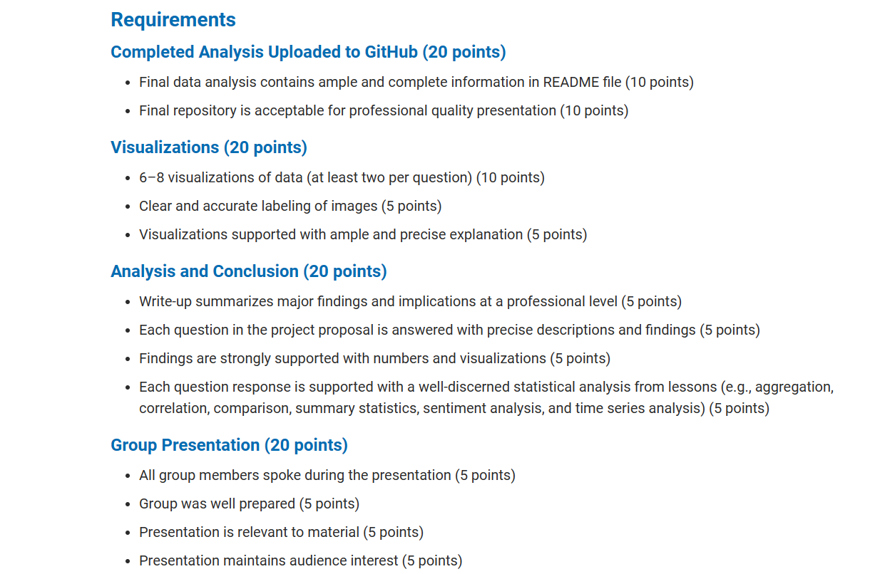

 | Completed Analysis Uploaded to GitHub (20 points)
1 | Final data analysis contains ample and complete information in README file (10 points)
2 | Final repository is acceptable for professional quality presentation (10 points)

 | Visualizations (20 points)
3 | 6–8 visualizations of data (at least two per question) (10 points)
4 | Clear and accurate labeling of images (5 points)
5 | Visualizations supported with ample and precise explanation (5 points)

 | Analysis and Conclusion (20 points)
6 | Write-up summarizes major findings and implications at a professional level (5 points)
7 | Each question in the project proposal is answered with precise descriptions and findings (5 points)
8 | Findings are strongly supported with numbers and visualizations (5 points)
9 | Each question response is supported with a well-discerned statistical analysis from lessons (e.g., aggregation, correlation, comparison, summary statistics, sentiment analysis, and time series analysis) (5 points)

 | Group Presentation (20 points)

10 | All group members spoke during the presentation (5 points)
11 | Group was well prepared (5 points)
12 | Presentation is relevant to material (5 points)
13 | Presentation maintains audience interest (5 points)

 | Slide Deck (20 points)
14 | Slides are visually clean and professional (5 points)
15 | Slides are relevant to material (5 points)
16 | Slides effectively demonstrate the project (5 points)
17 | Slides are clear and maintain audience interest (5 points)

Source
